001
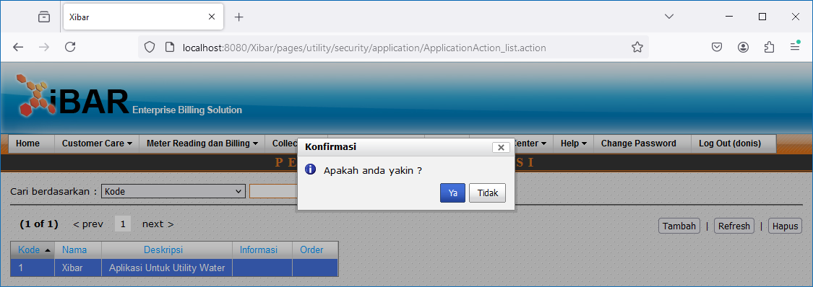
Utility | Security | Pengelolaan Aplikasi
http://localhost:8080/Xibar/pages/utility/security/application/ApplicationAction_list.action

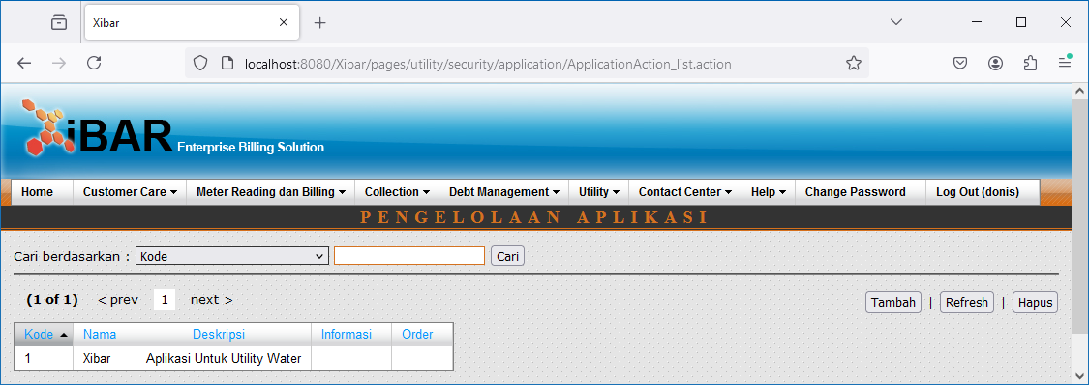

Double Click

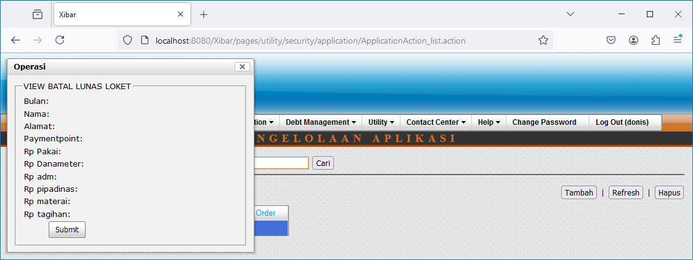

Submit

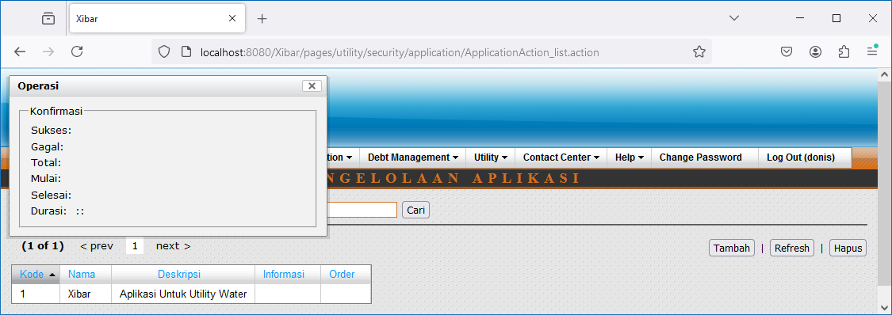

Tambah



Hapus

002
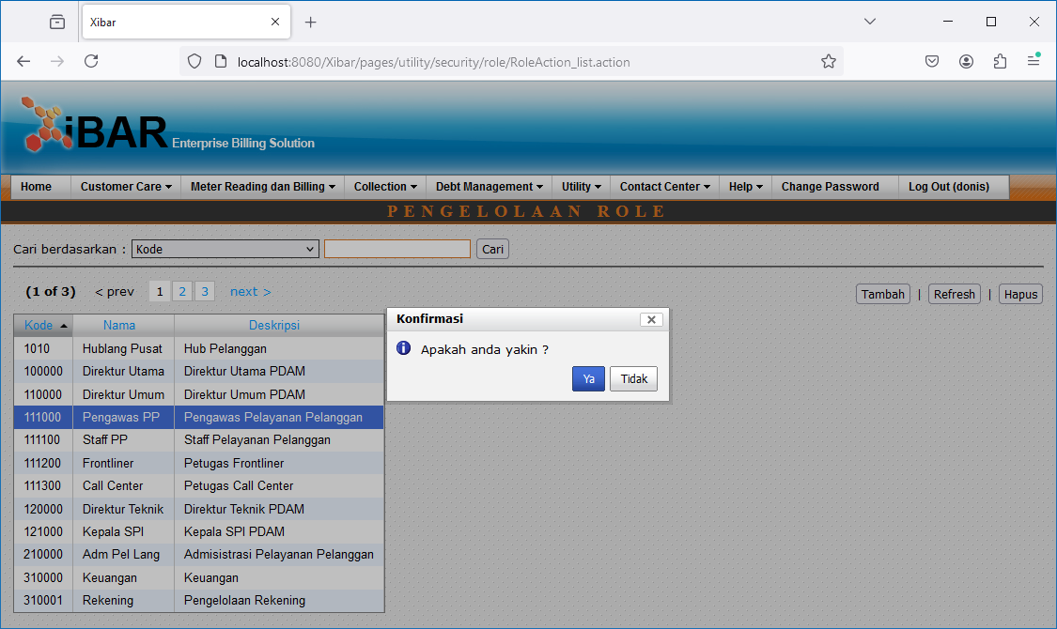
Utility | Security | Pengelolaan Role
http://localhost:8080/Xibar/pages/utility/security/role/RoleAction_list.action

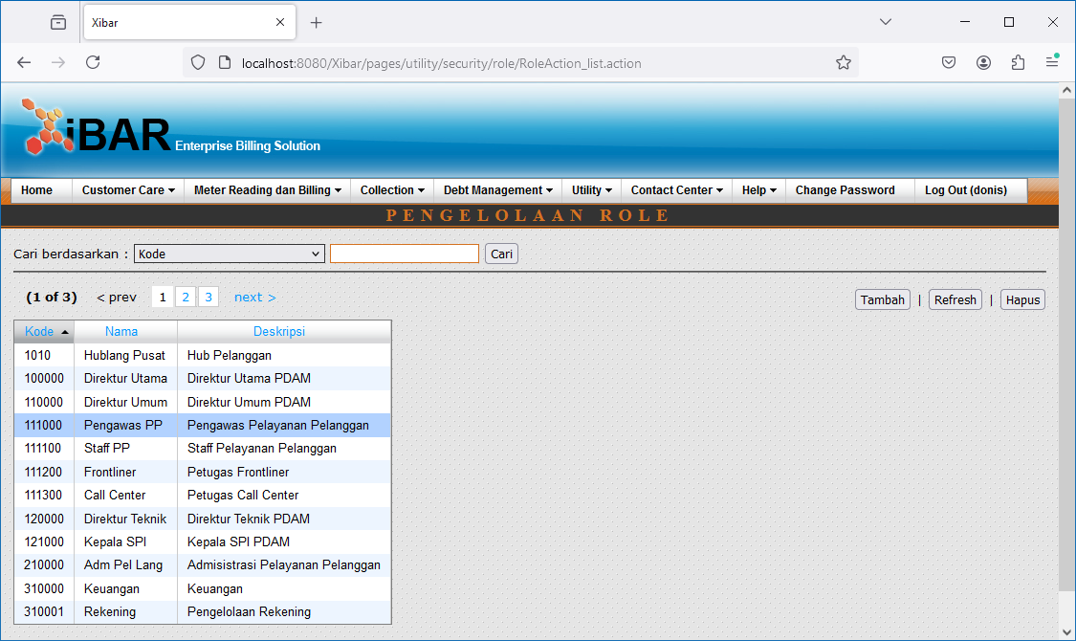

Double Click

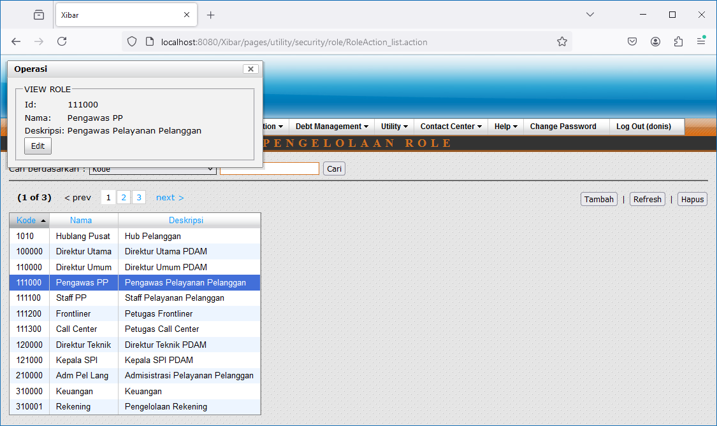

Edit



Tambah

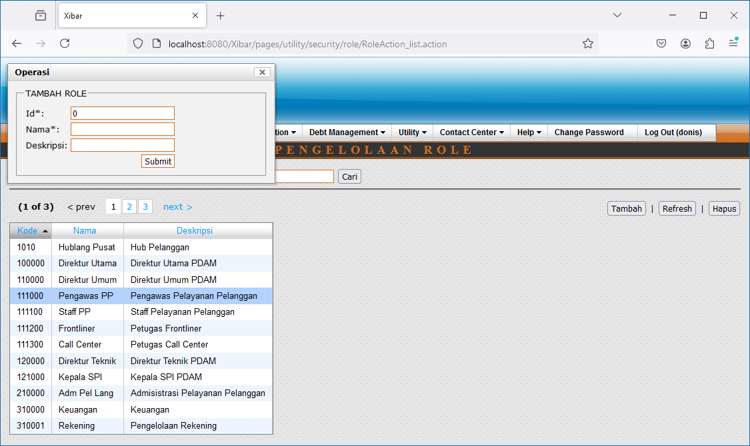

Hapus

003
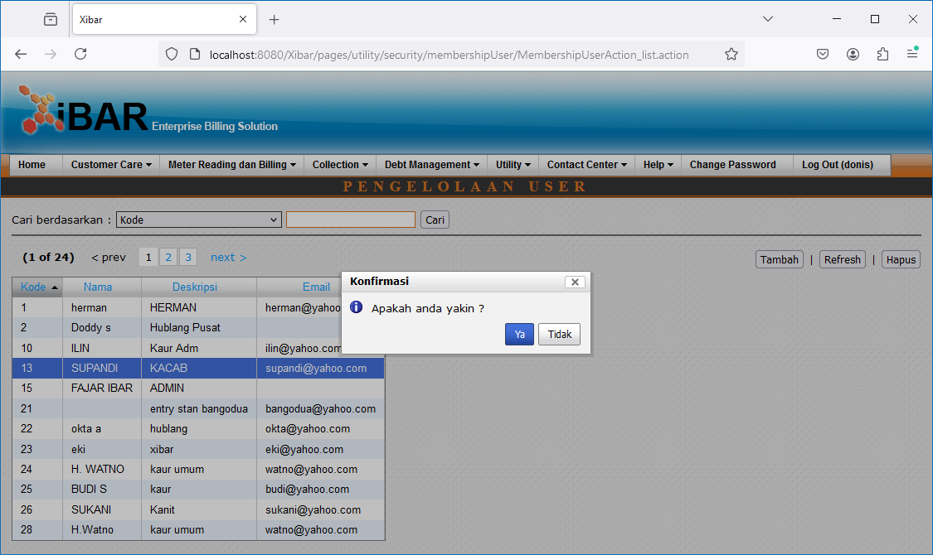
Utility | Security | Pengelolaan User
http://localhost:8080/Xibar/pages/utility/security/membershipUser/MembershipUserAction_list.action

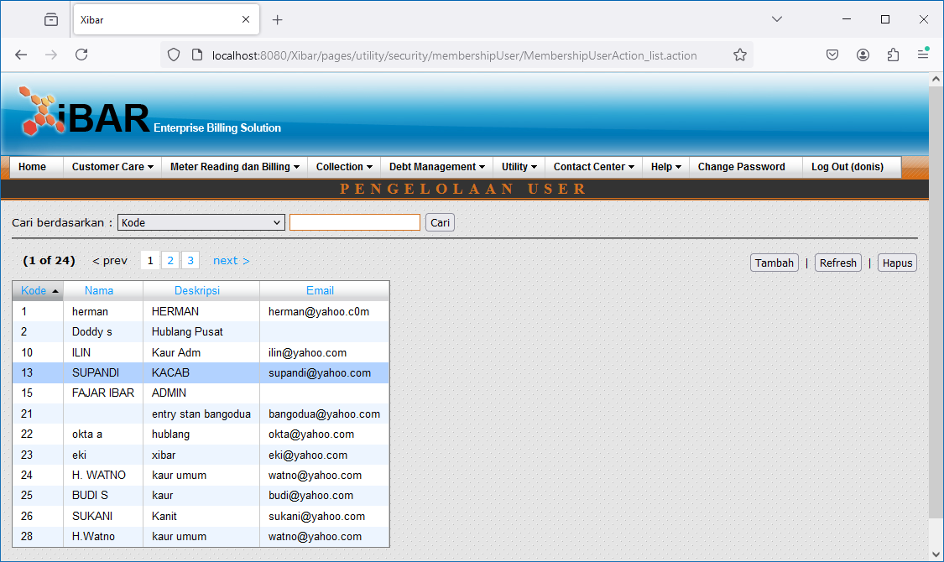

Double Click

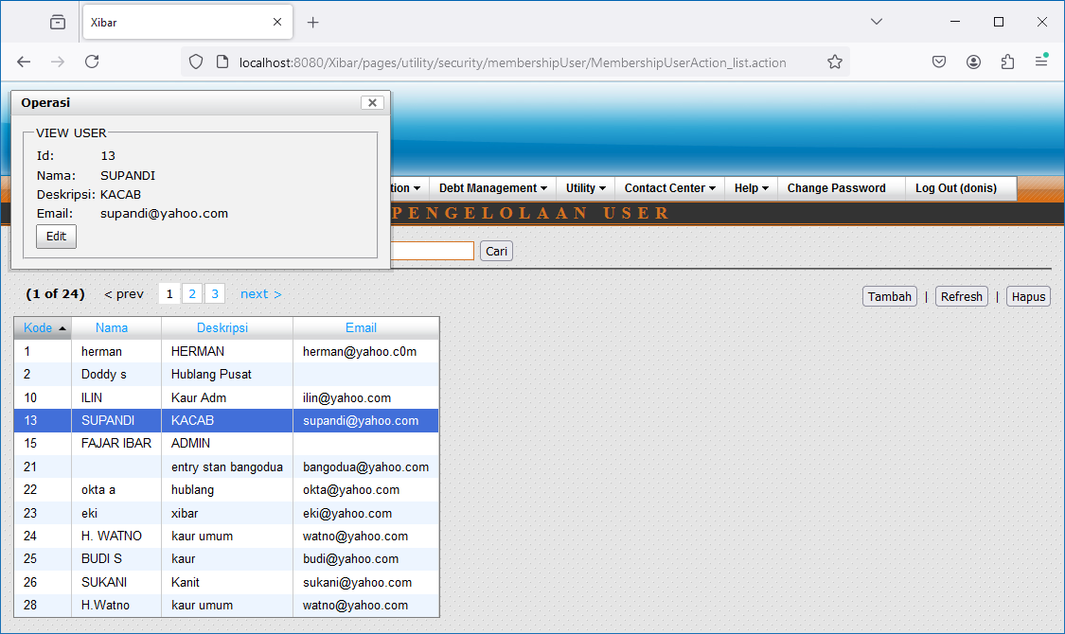

Edit

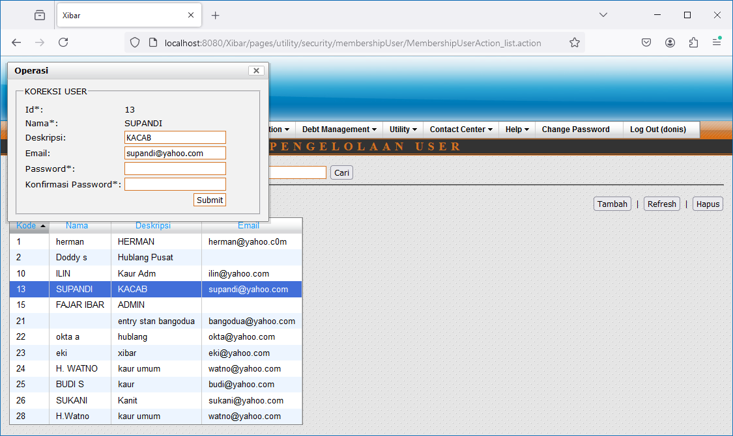

Tambah

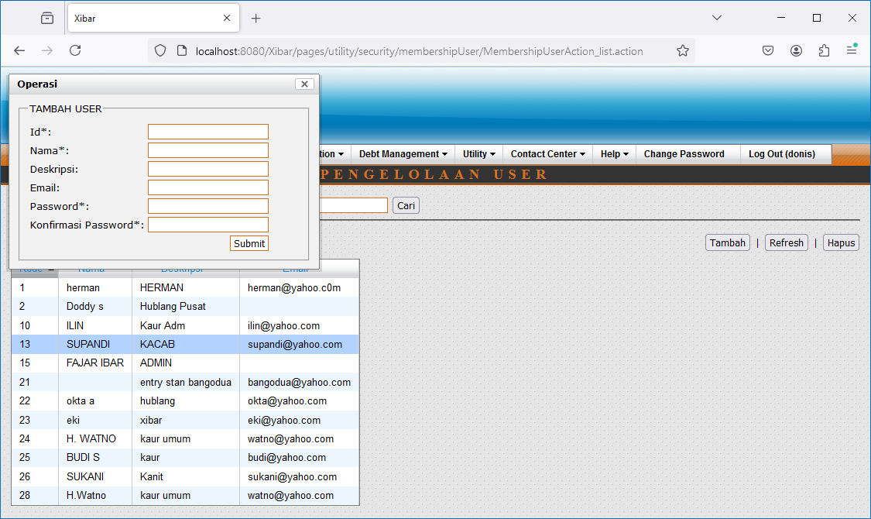

Hapus

004
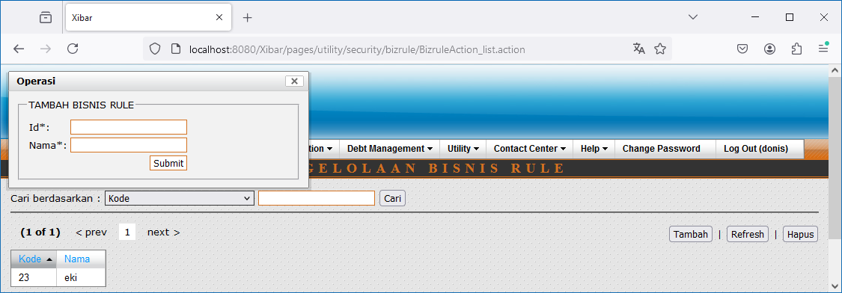
Utility | Security | Pengelolaan Bisnis Rule
http://localhost:8080/Xibar/pages/utility/security/bizrule/BizruleAction_list.action

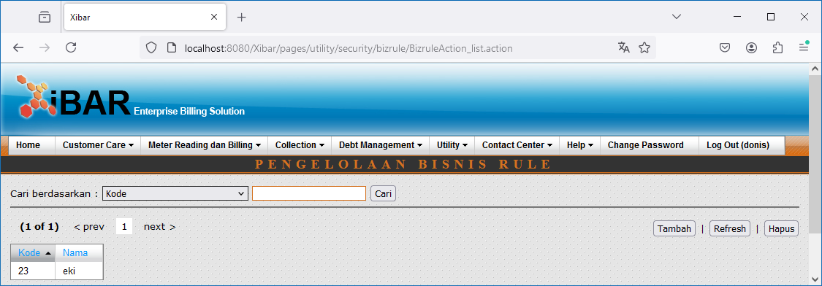

Double Click

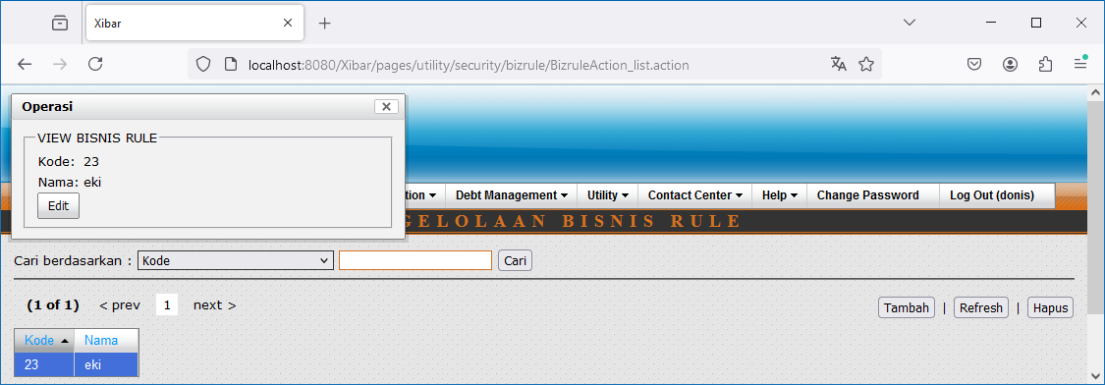

Edit



Tambah



Hapus

005
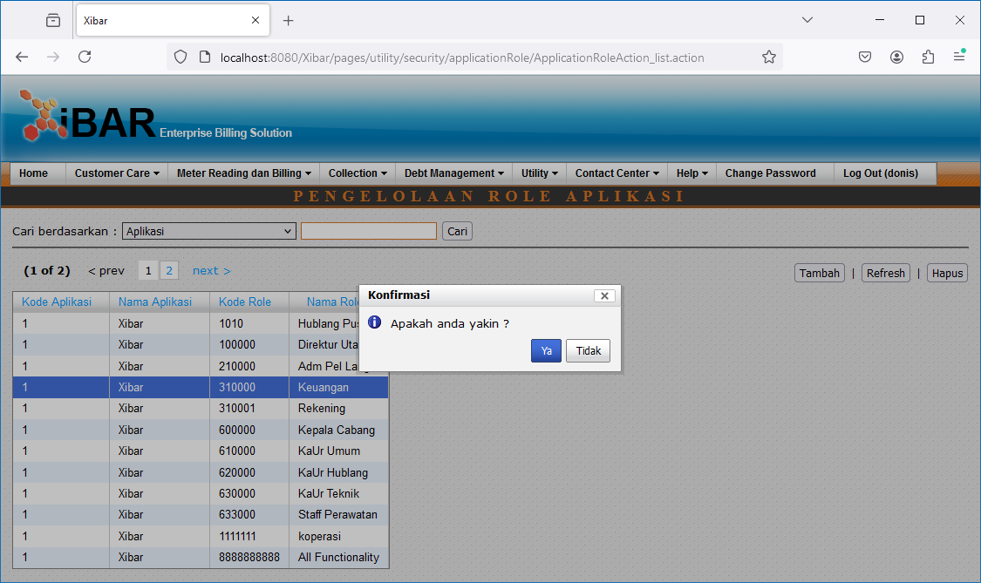
Utility | Security | Pengelolaan Role Aplikasi
http://localhost:8080/Xibar/pages/utility/security/applicationRole/ApplicationRoleAction_list.action

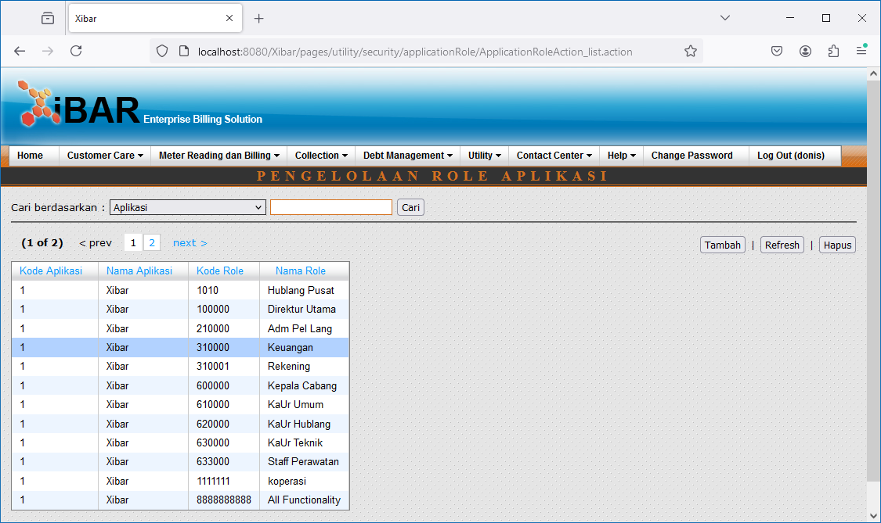

Double Click

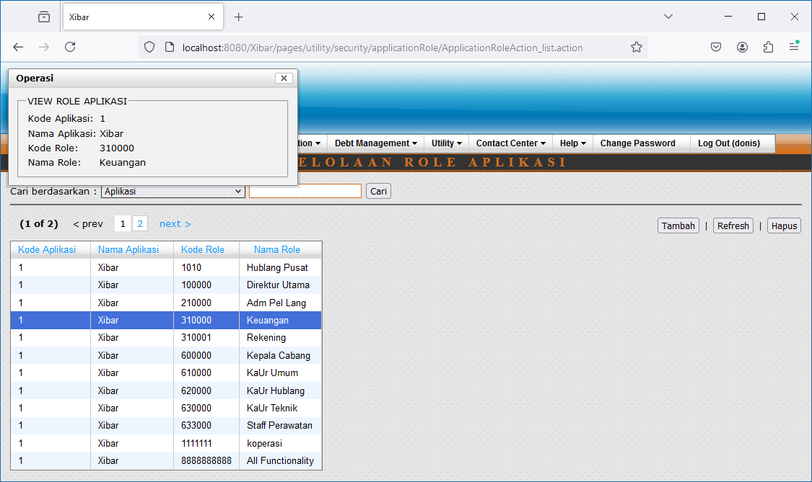

Tambah

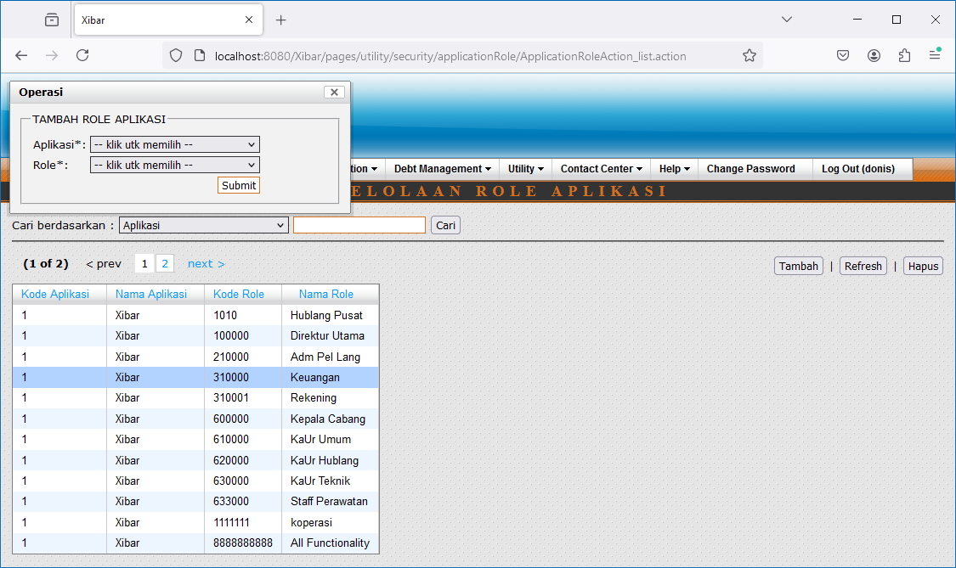

Hapus

006
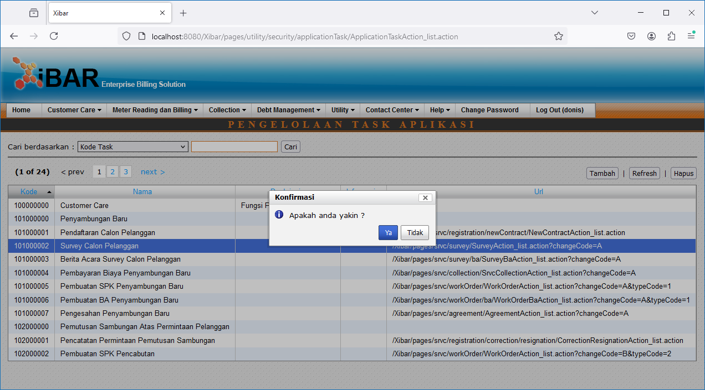
Utility | Security | Pengelolaan Task Aplikasi
http://localhost:8080/Xibar/pages/utility/security/applicationTask/ApplicationTaskAction_list.action

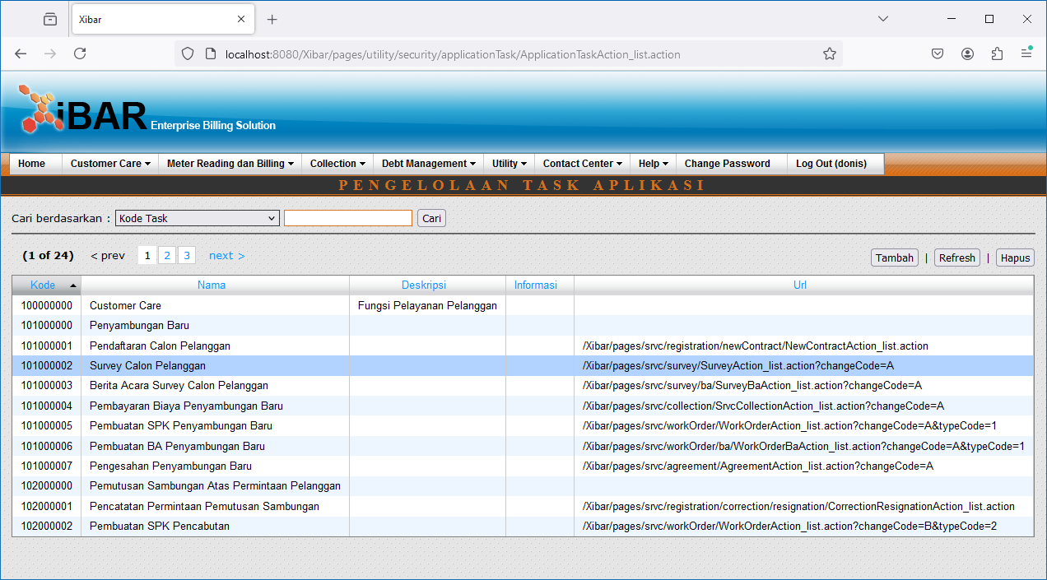

Double Click

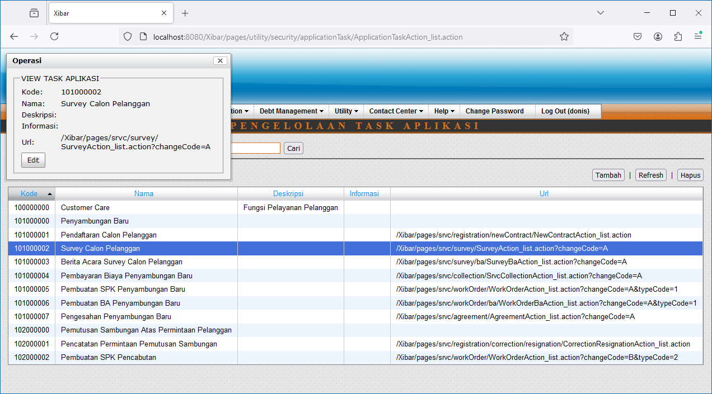

Edit

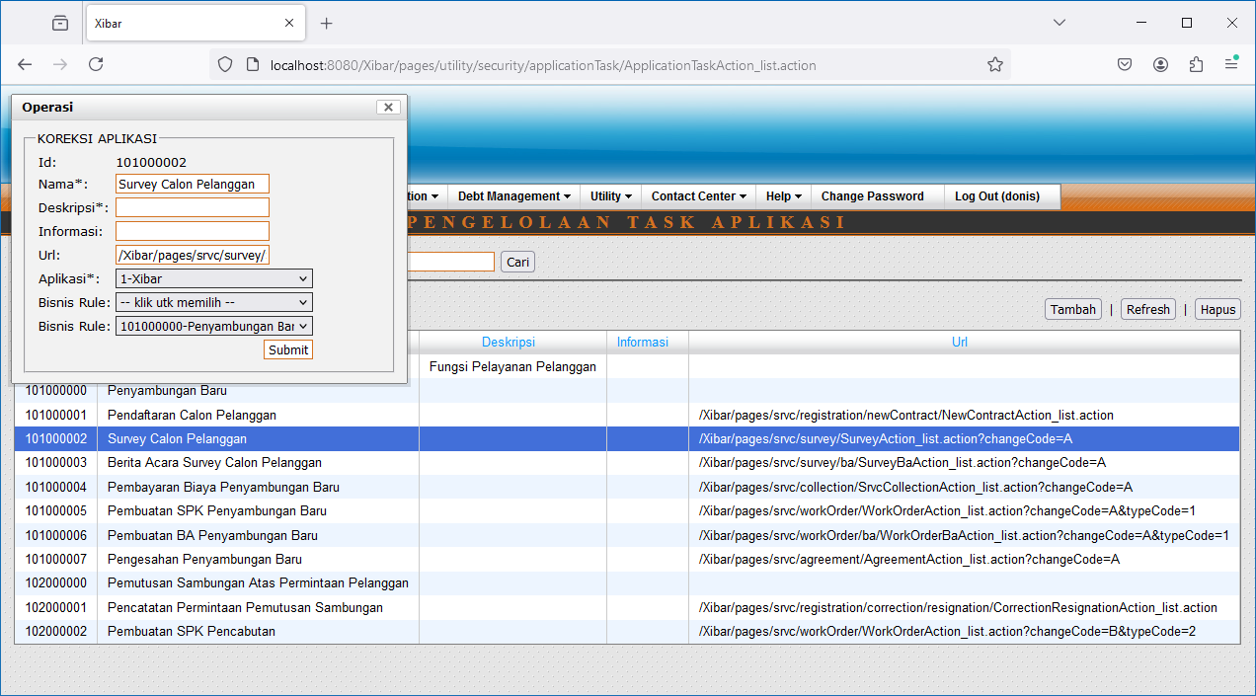

Tambah

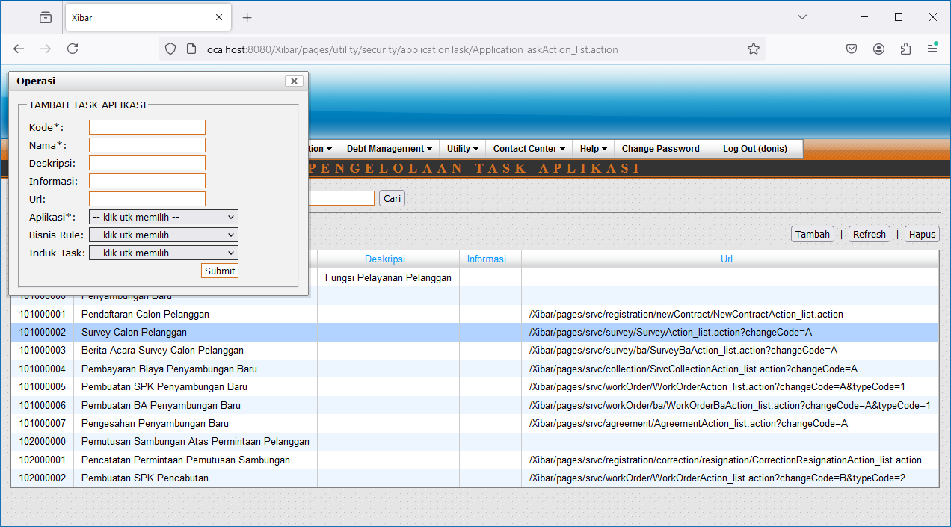

Hapus

007
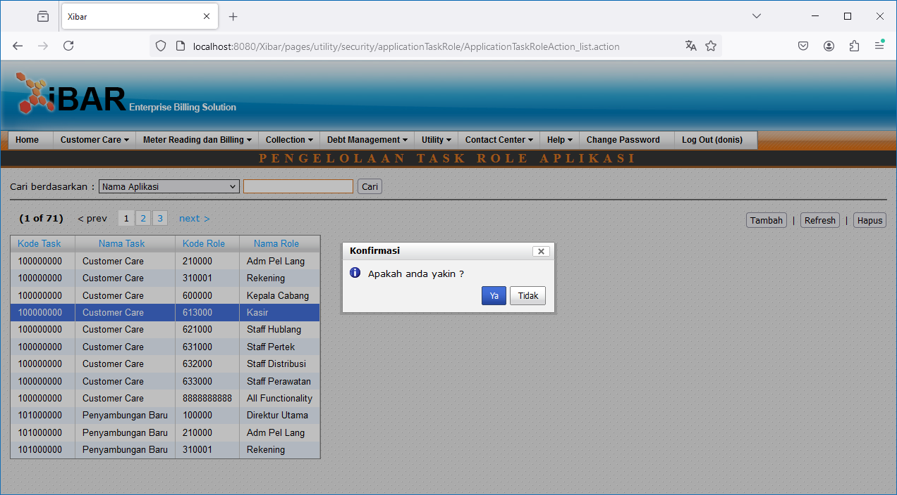
Utility | Security | Pengelolaan Task Role Aplikasi
http://localhost:8080/Xibar/pages/utility/security/applicationTaskRole/ApplicationTaskRoleAction_list.action

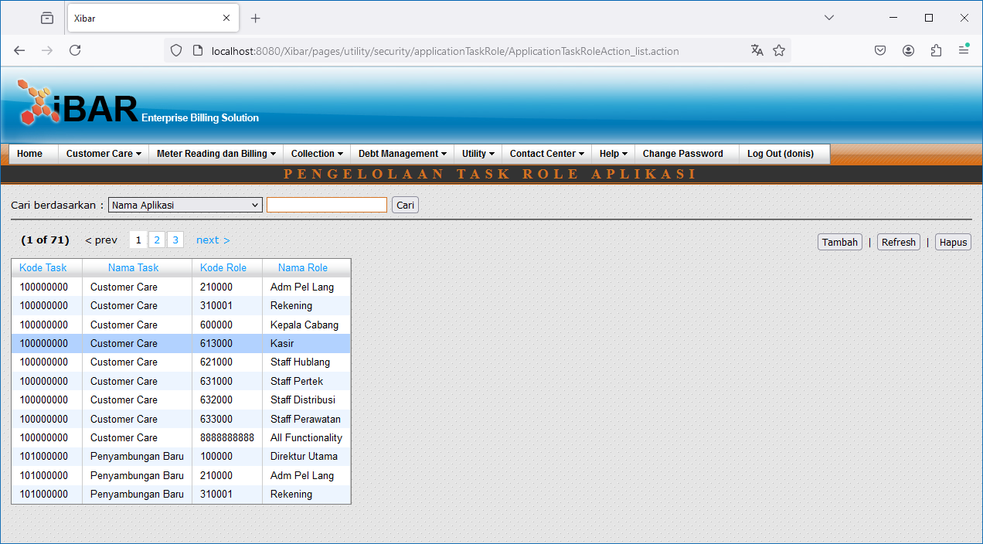

Double Click

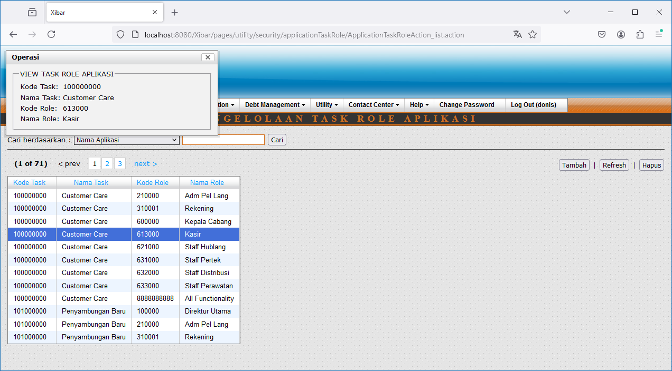

Tambah

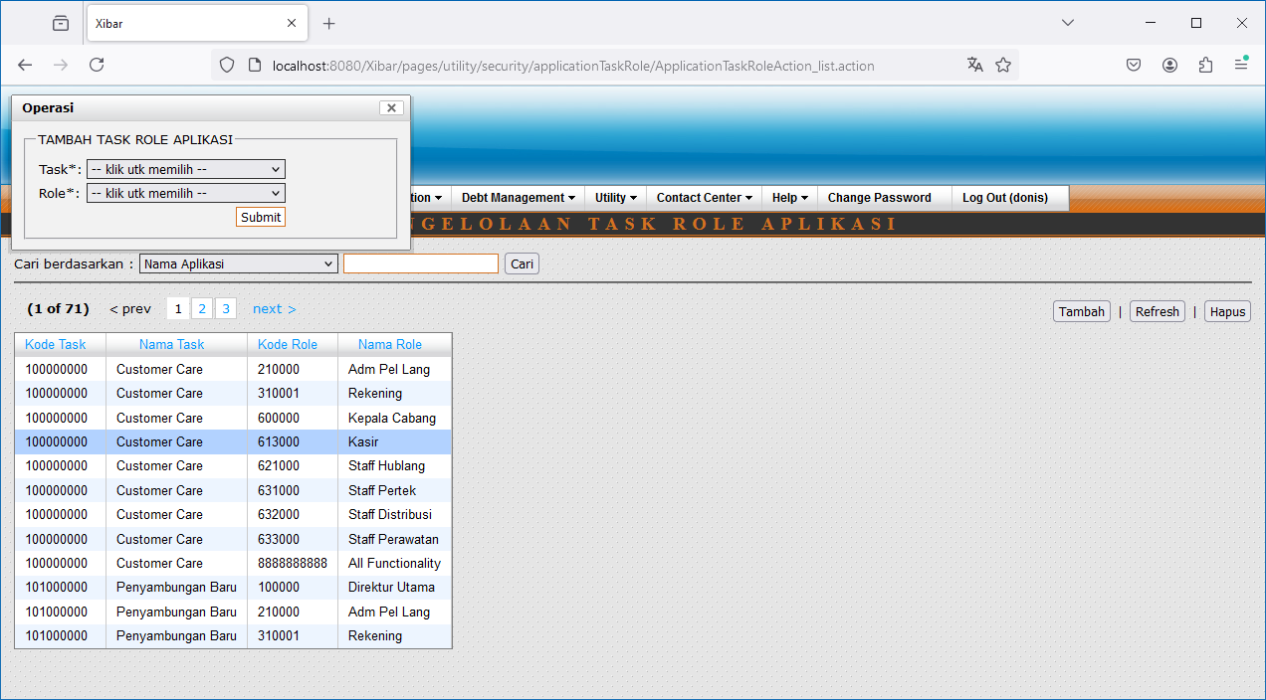

Hapus

008
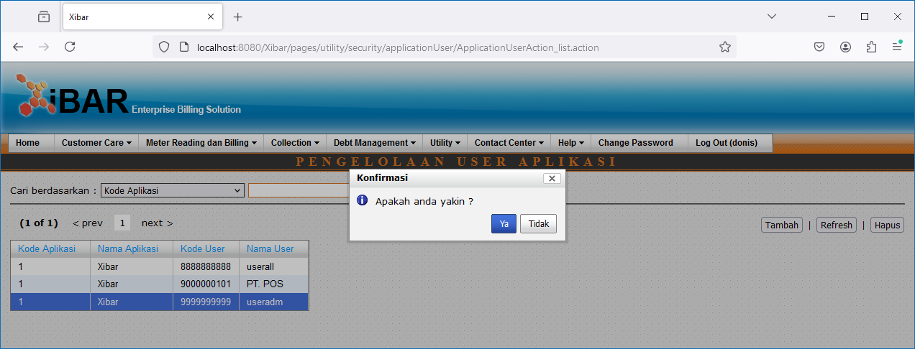
Utility | Security | Pengelolaan User Aplikasi
http://localhost:8080/Xibar/pages/utility/security/applicationUser/ApplicationUserAction_list.action

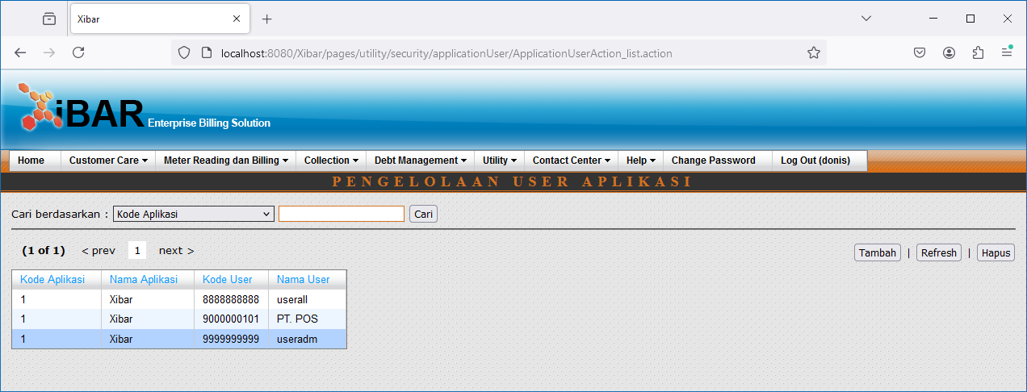

Double

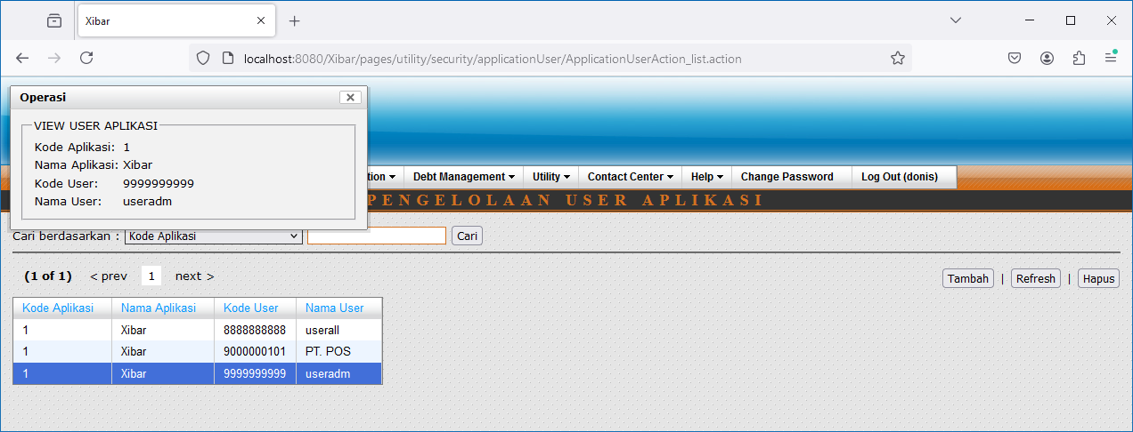

Tambah

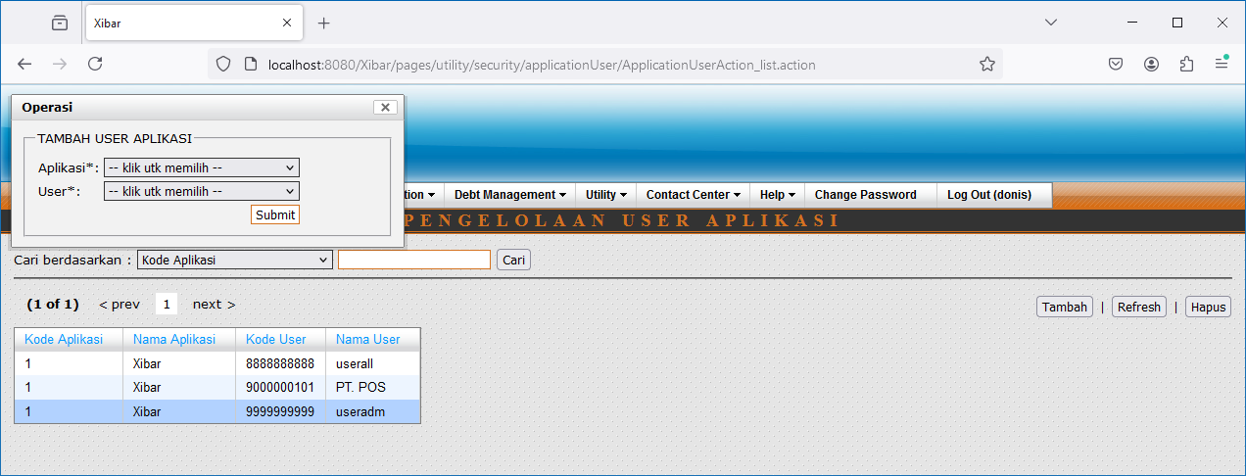

Hapus

009
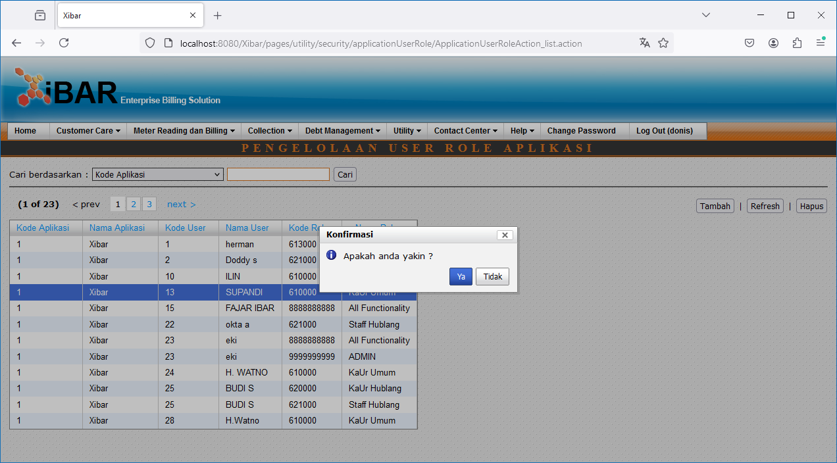
Utility | Security | Pengelolaan User Role Aplikasi
http://localhost:8080/Xibar/pages/utility/security/applicationUserRole/ApplicationUserRoleAction_list.action

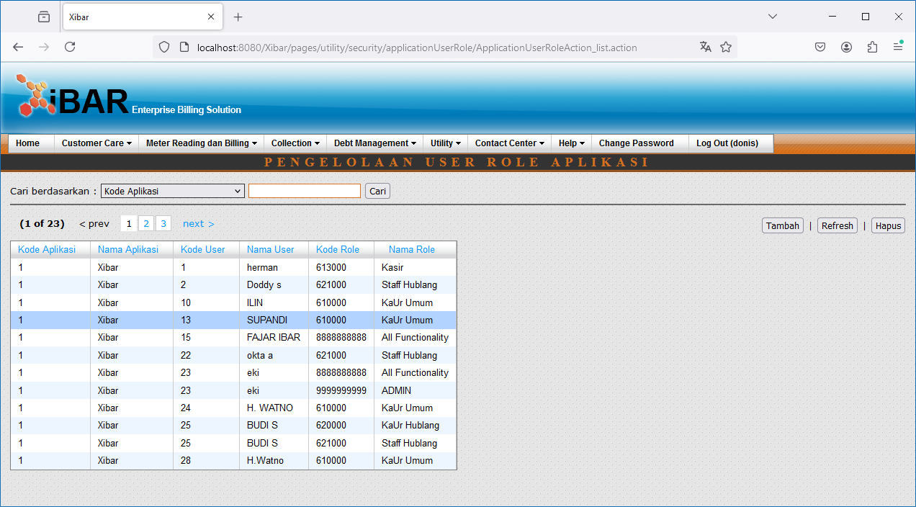

Double Click

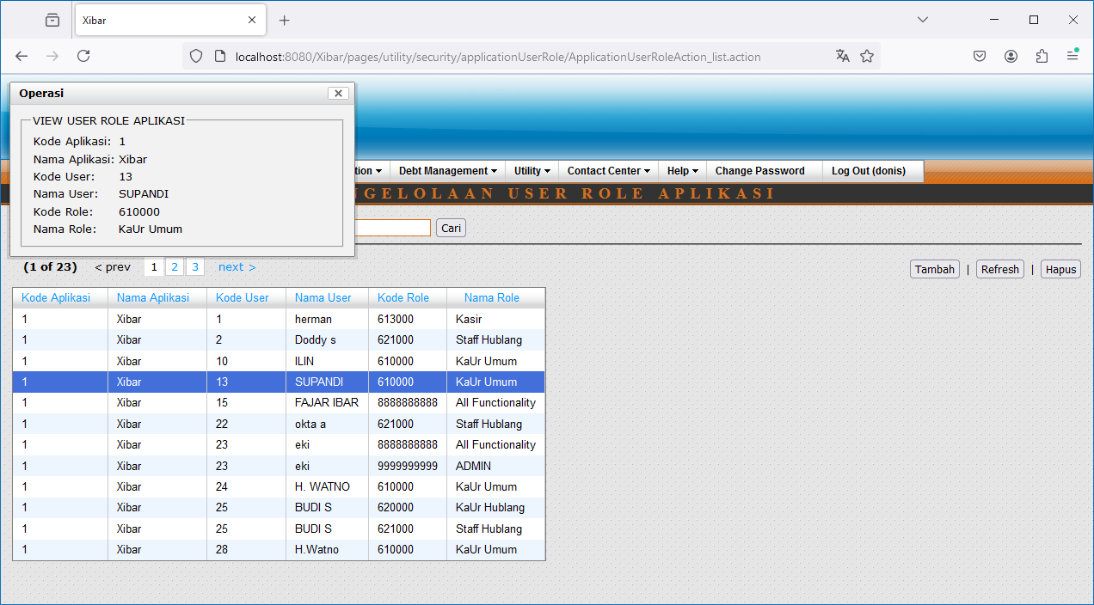

Tambah

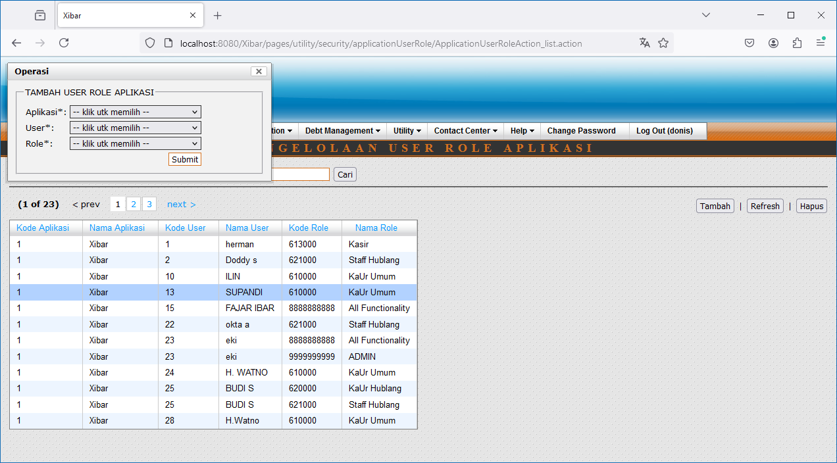

Hapus

010
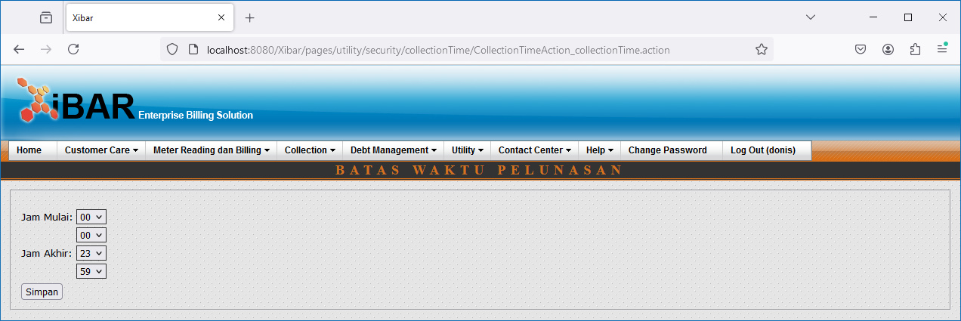
Utility | Security | Pembatasan Waktu Pelunasan
http://localhost:8080/Xibar/pages/utility/security/collectionTime/CollectionTimeAction_collectionTime.action

011
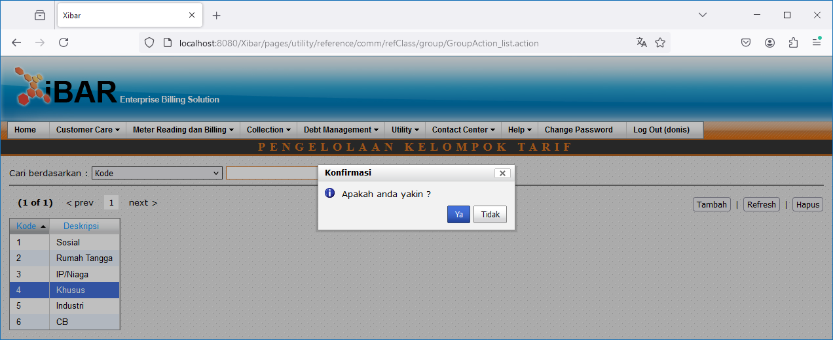
Utility | Pengelolaan Table Referensi | Umum | Pengelolaan Tarif | Pengelolaan Kelompok Tarif
http://localhost:8080/Xibar/pages/utility/reference/comm/refClass/group/GroupAction_list.action

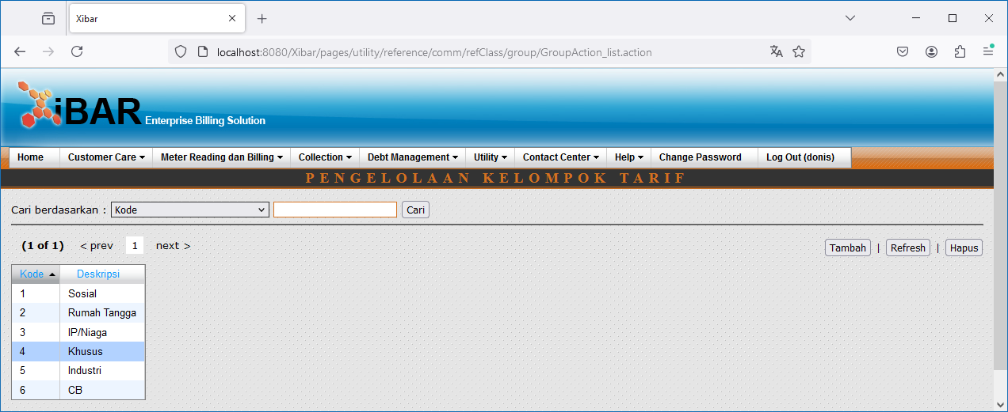

Double Click

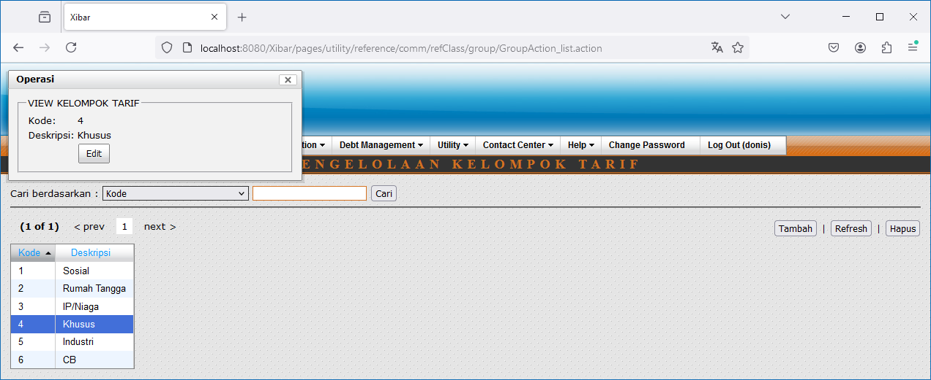

Edit



Tambah

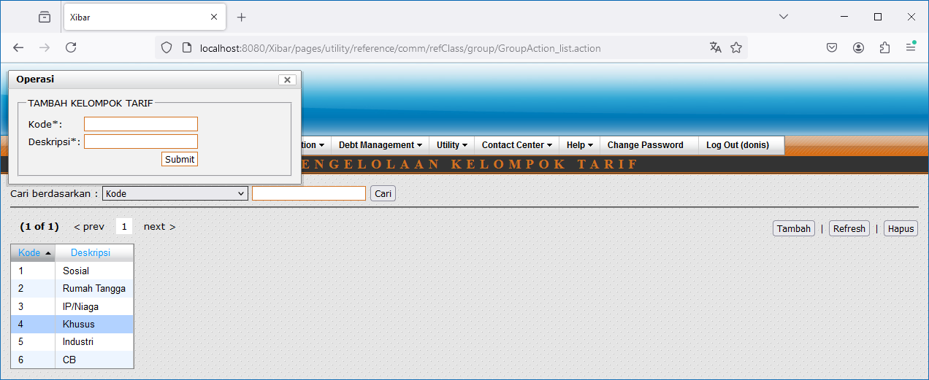

Hapus

012
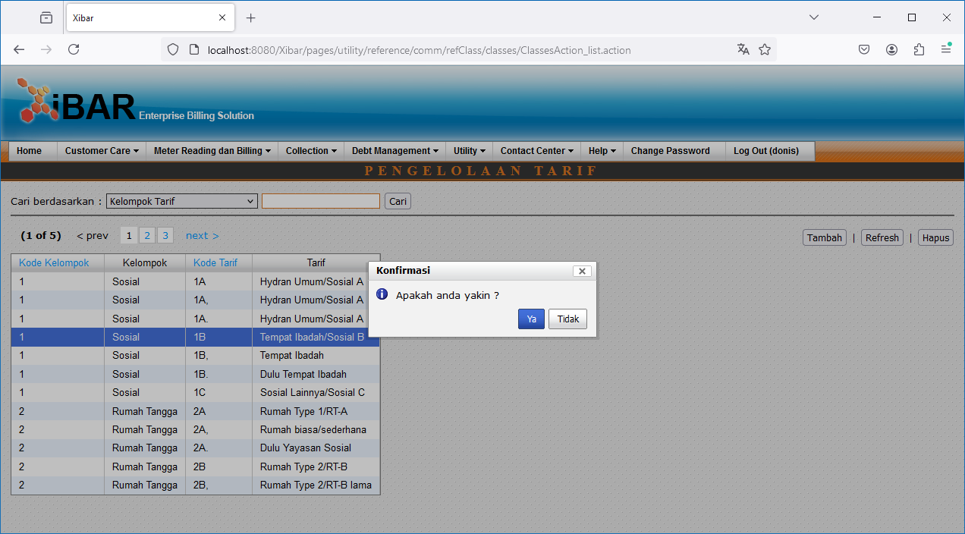
Utility | Pengelolaan Table Referensi | Umum | Pengelolaan Tarif | Pengelolaan Tarif
http://localhost:8080/Xibar/pages/utility/reference/comm/refClass/classes/ClassesAction_list.action

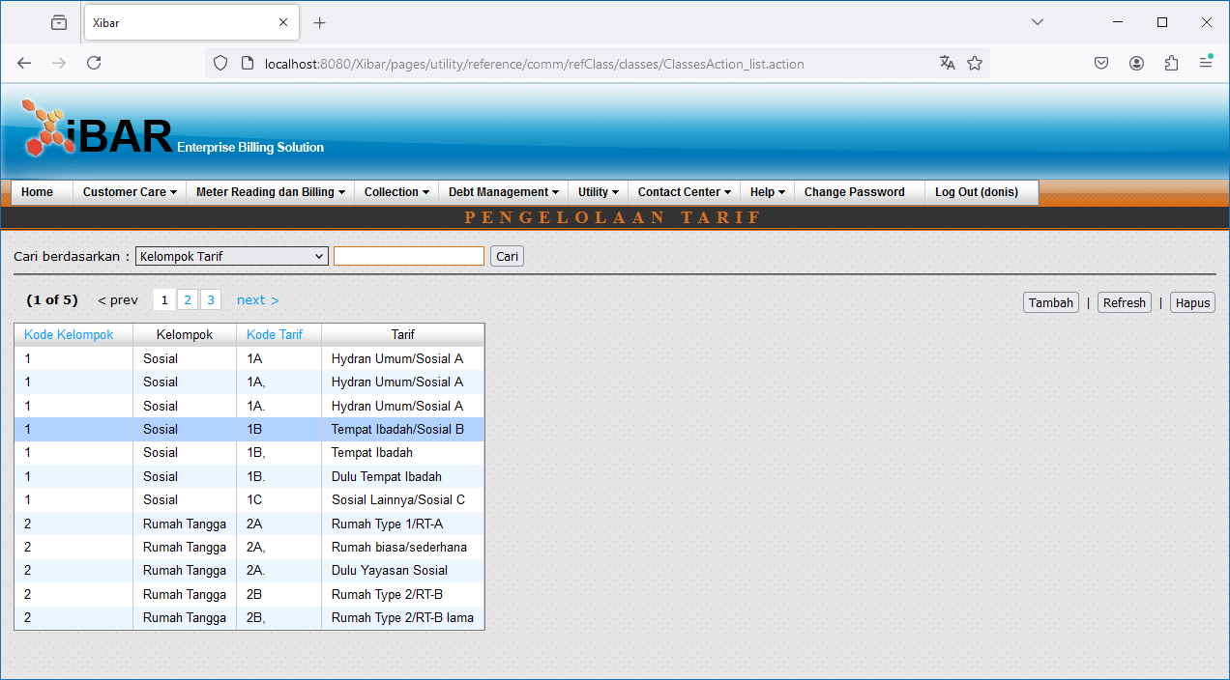

Double Click

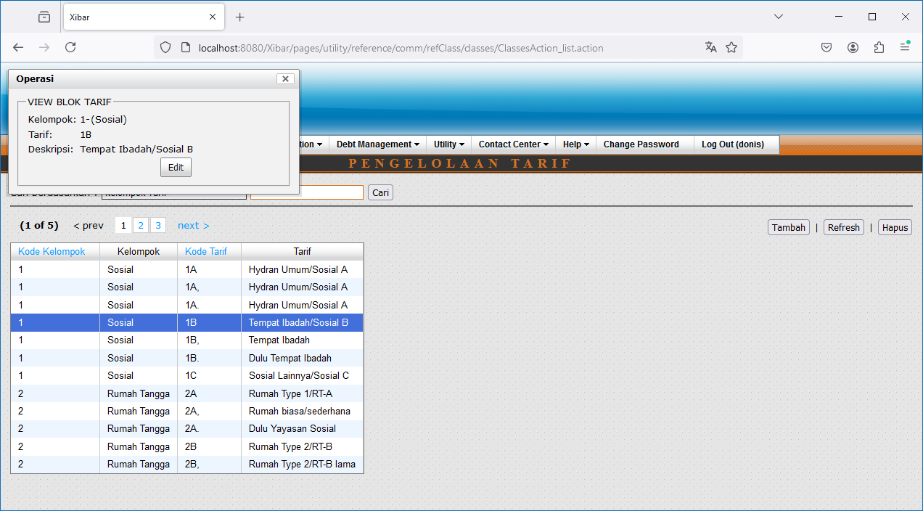

Edit

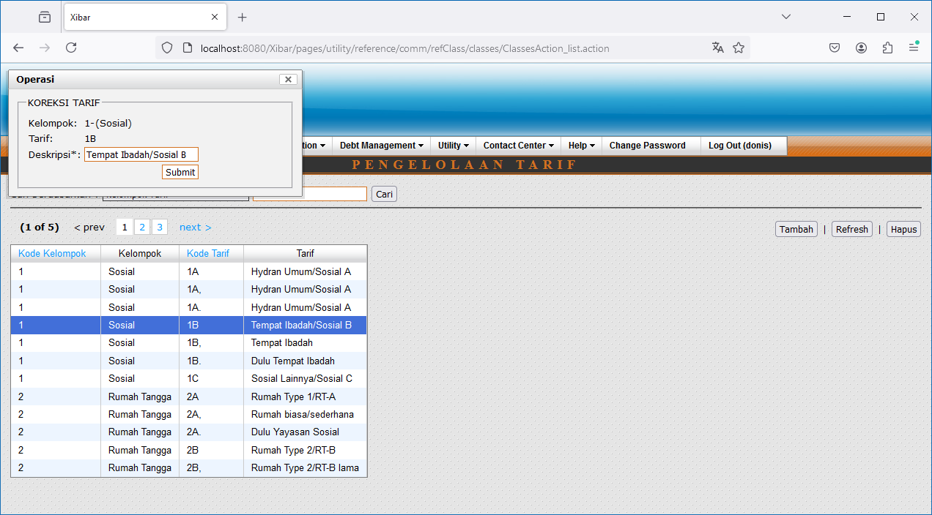

Tambah

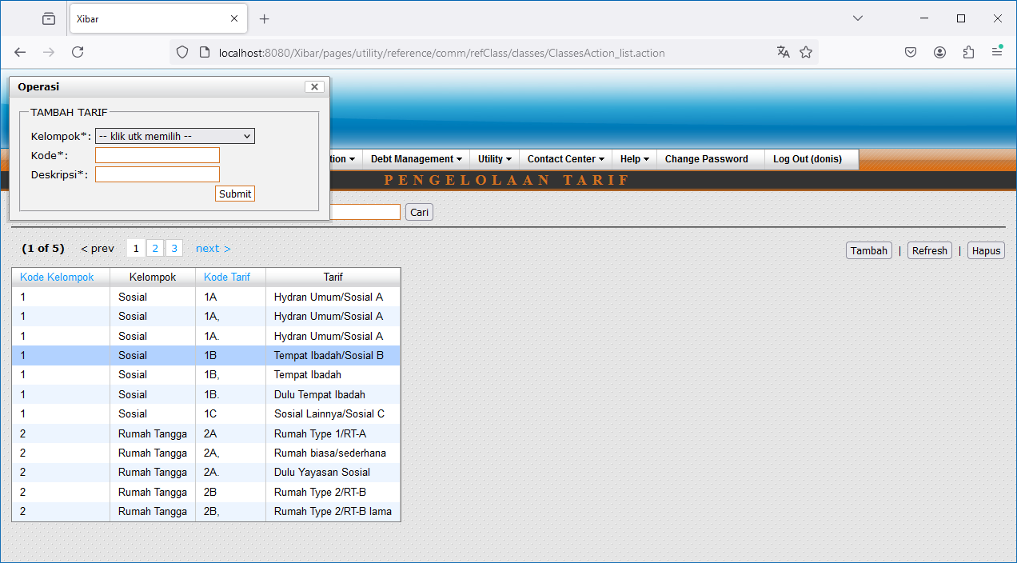

Hapus

